Priorities
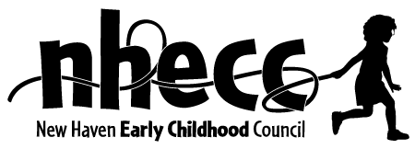 SELECTION CRITERIA FOR ALLOCATING SCHOOL READINESS SPACES

Approved by the Council April 7, 2021

CURRENT SR PROGRAMS
· The program is Full Day/Full Year (SR FD/FY)
The Council acknowledges that in some areas where the economy has not recovered, parents are still not working or are underemployed. The Council believes that holding onto FD/FY spaces in these areas is important for parents who will see full employment when the economy recovers.

· The program has a history of serving low-income families and can document its outreach to this population

· Over the last several years, the program has demonstrated its ability to maintain full enrollment.

· The program is NAEYC accredited.

· The program, in addition to serving preschool age children, also serves infants and toddlers.

· The program meets the current OEC staff qualifications or, has a detailed plan as to how all head teachers will meet these qualifications in the next year.

· The classrooms in the program show an improvement over time in the Learning Experience Plans (LEP).

· The program demonstrates its commitment to family-school partnerships by documenting its adherence to the SR Parent Involvement Quality Component.

NEW PROGRAMS
New sites of currently funded SR programs will be treated as new centers for purposes of allocating more SR funding.

New programs have the staff, board and a plan which demonstrates they can: open on schedule, are located in or can recruit families from the Council’s priority neighborhoods (Dwight, Newhallville, Hill and Fair Haven) and have the early childhood expertise to provide a quality program.

New programs are full day, full year.

The program, in addition to serving preschool age children, also serves infants and toddlers.

The program meets the current OEC staff qualifications or, has a detailed plan as to how all head teachers will meet these qualifications in the next year.

